Reference frames
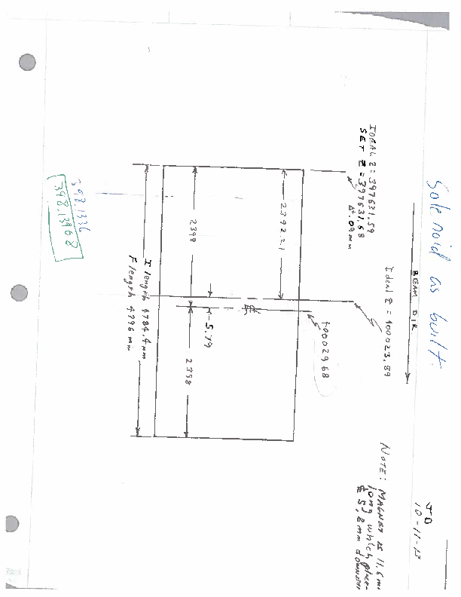
Note: The as set offsets are relative to the machine coordinate used for alignment. A +X is to the beam left, +Z is downstream, +Y is above. A + yaw angle is ccw looking from above, a + pitch angle is ccw looking from the beam right side, and a + roll angle is cw looking from upstream. All coordinates are to the component center unless otherwise specified.

TAGGER GONIOMETER - center of upstream face of frame
AMORPHOUS RADIATOR - center of wire and targets
TAGGER MAGNET - center of pole
HODOSCOPE PLT1 US BR TOP corner of plate - see dwgs D00000-19-01-2003 - 2010 for scint. Locations
TAGGER MICROSCOPE US CENTER face of 1st scintillator 1/2 bundle (15 fibers, 3x5 array)
COLLIMATOR CAVE PROFILER center of US face
COLLIMATOR CAVE PIN HOLE COLLIMATOR - center of block in X,Y and Z
COLLIMATOR CAVE 2ND COLLIMATOR - center of block in X,Y and Z
PHOTON BEAM HARP - center of wire and targets in Pair convertor
PAIR SPECTROMETER MAGNET - center of magnet steel
RIGHT HIGH GRANULARITY DETECTOR - geometric center of scintillator cluster
LEFT HIGH GRANULARITY DETECTOR - geometric center of scintillator cluster
RIGHT LOW GRANULARITY DET USBL - inner upstream edge of 1st counter
LEFT LOW GRANULARITY DET USBR - inner upstream edge of 1st counter (see dwg D000000000-1002)
CENTER HALL PROFILER (TEMP) - center of ustream face
SOLENOID (GEOMETRIC CENTER)
BARREL CALORIMETER (Sept 2013) - geometric center of barrel
COMMISIONING TARGET - center of downstream face of target plug
START COUNTER US FACE US FLANGE - just a reference
START COUNTER US FACE SCINTILLATOR - center of upstream edge of scintillator
START COUNTER DS FACESCINTILLATOR - center of downstream edge of scintillator
FDC Package 1 center based on bisect of US and DS stiffening ring on each package with 0A in solenoid
FDC Package 2 center based on bisect of US and DS stiffening ring on each package with 0A in solenoid
FDC Package 3 center based on bisect of US and DS stiffening ring on each package with 0A in solenoid
FDC Package 4 center based on bisect of US and DS stiffening ring on each package with 0A in solenoid
CENTRAL DRIFT CHAMBER - center of active area of detector
FORWARD CALORIMETER - center of upstream face of lead/glass blocks
FORWARD TIME OF FLIGHT - center of upstream face of scintilaator
DS HALL PROFILER - center of ustream face

